Drawing
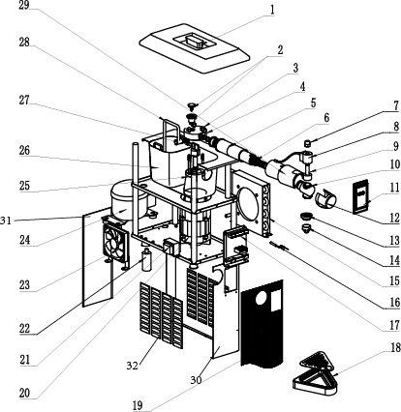
Drawing
Hendi B.V. Innovatielaan 6, 6745 XW De Klomp, The Netherlands |  | Batch # | Hendi Item number |  | =Fields to be filled in
 |  | 000000 and up | 290965

 |  | Description |  | Supplier | Nopein
 |  | Commercial Cream Whipping Machine |  | BOM drawing version: | 1

Date | 16/01/2024 | Revision # | 1
Revision | First bill of material (BOM)

BOM
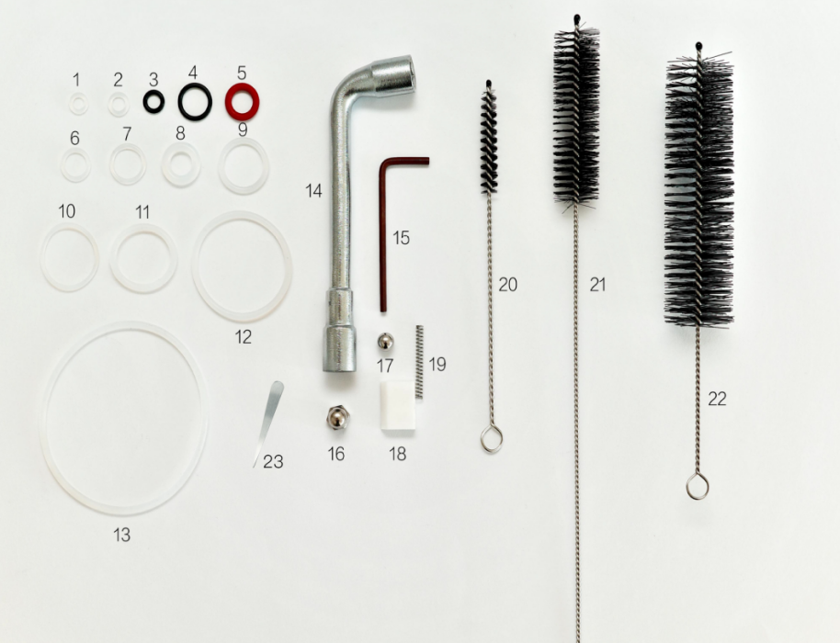
Bill of materials (BOM)
Hendi B.V. Innovatielaan 6, 6745 XW De Klomp, The Netherlands |  | Batch # |  | Appliance part#
 |  | 000000 and up |  | 290965

Remarks:
1. n/a -> not available
2. nss -> not sold separatelyble
 |  | Description
 |  | Commercial Cream Whipping Machine

Date | 16/01/2024 | Revision # |  | 1
Revision | First bill of material (BOM)

Item | Description | Part# | Quantity | Remark | Used models | Factory Description | Hendi HK no. | Hendi HK Unit price (USD) | Quantity / Part # | Factory model number | Factory model number (if update)
1 | Hopper cover |  | 1 |  |  | Hopper cover for main item 290965 (dwg no.1) | 290965-001 | 16.67 |  | C02-001
2 | Air regulation valve sets |  | 1 |  |  | Air regulation valve sets for main item 290965 (dwg no.2) | 290965-002 | 41.78 |  | C02-002
3 | M6 Cap nut |  | 3 |  |  | M6 Cap nut for main item 290965 (dwg no.3) | 290965-003 | 2.78 |  | C02-003
4 | Cream pump cover |  | 1 |  |  | Cream pump cover for main item 290965 (dwg no.4) | 290965-004 | 62.67 |  | C02-004
5 | Enclosing tube |  | 1 |  |  | Enclosing tube for main item 290965 (dwg no.5) | 290965-005 | 55.56 |  | C02-005
6 | Mixing chamber |  | 1 |  |  | Mixing chamber for main item 290965 (dwg no.6) | 290965-006 | 139.22 |  | C02-006
7 | M12 Cap nut |  | 1 |  |  | M12 Cap nut for main item 290965 (dwg no.7) | 290965-007 | 4.22 |  | C02-007
8 | Coil |  | 1 |  |  | Coil for main item 290965 (dwg no.8) | 290965-008 | 41.78 |  | C02-008
9 | Solenoid valve |  | 1 |  |  | Solenoid valve for main item 290965 (dwg no.9) | 290965-009 | 34.78 |  | C02-009
10 | Tap front |  | 1 |  |  | Tap front for main item 290965 (dwg no.10) | 290965-010 | 69.56 |  | C02-010
11 | Screen |  | 1 |  |  | Screen for main item 290965 (dwg no.11) | 290965-011 | 83.33 |  | C02-011
12 | Tap front plastic cover |  | 1 |  |  | Tap front plastic cover for main item 290965 (dwg no.12) | 290965-012 | 4.22 |  | C02-012
13 | Garnishing spout holder |  | 1 |  |  | Garnishing spout holder for main item 290965 (dwg no.13) | 290965-013 | 5.56 |  | C02-013
14 | Nozzle |  | 1 |  |  | Nozzle for main item 290965 (dwg no.14) | 290965-014 | 4.89 |  | C02-014
15 | Condenser |  | 1 |  |  | Condenser for main item 290965 (dwg no.15) | 290965-015 | 52.89 |  | C02-015
16 | Temperature Sensor |  | 1 |  |  | Temperature Sensor for main item 290965 (dwg no.16) | 290965-016 | 2.11 |  | C02-016
17 | Mainboard |  | 1 |  |  | Mainboard for main item 290965 (dwg no.17) | 290965-017 | 94.67 |  | C02-017
18 | Water box set |  | 1 |  |  | Water box set for main item 290965 (dwg no.18) | 290965-018 | 20.89 |  | C02-018
19 | Sticker |  | 1 |  |  | Sticker for main item 290965 (dwg no.19) | 290965-019 | 22.22 |  | C02-019
20 | Motor |  | 1 |  |  | Motor for main item 290965 (dwg no.20) | 290965-020 | 83.33 |  | C02-020
21 | Transformer |  | 1 |  |  | Transformer for main item 290965 (dwg no.21) | 290965-021 | 16.67 |  | C02-021
22 | Capacitor |  | 1 |  |  | Capacitor for main item 290965 (dwg no.22) | 290965-022 | 8.33 |  | C02-022
23 | Fan |  | 1 |  |  | Fan for main item 290965 (dwg no.23) | 290965-023 | 52.89 |  | C02-023
24 | Compressor |  | 1 |  |  | Compressor for main item 290965 (dwg no.24) | 290965-024 | 77.78 |  | C02-024
25 | Cream pump body |  | 1 |  |  | Cream pump body for main item 290965 (dwg no.25) | 290965-025 | 166.67 |  | C02-025
26 | Hopper |  | 1 |  |  | Hopper for main item 290965 (dwg no.26) | 290965-026 | 36.11 |  | C02-026
27 | Slider plate for pump |  | 2 |  |  | Slider plate for pump for main item 290965 (dwg no.27) | 290965-027 | 2.11 |  | C02-027
28 | Suction pipe |  | 1 |  |  | Suction pipe for main item 290965 (dwg no.28) | 290965-028 | 25.00 |  | C02-028
29 | Plastic heat preservation cover |  | 1 |  |  | Plastic heat preservation cover for main item 290965 (dwg no.29) | 290965-029 | 41.78 |  | C02-029
30 | Front panel |  | 1 |  |  | Front panel for main item 290965 (dwg no.30) | 290965-030 | 62.67 |  | C02-030
31 | Back panel |  | 1 |  |  | Back panel for main item 290965 (dwg no.31) | 290965-031 | 16.67 |  | C02-031
32 | Side panel |  | 2 |  |  | Side panel for main item 290965 (dwg no.32) | 290965-032 | 16.67 |  | C02-032
A | Feet |  | 4 | Not shown on drawing |  | set of 4 - Feet for main item 290965 | 290965-A | 0.00 | set of 4 | C02-A
B | Set of maintenance and cleaning kits | CZE 290965-B | 1 | Not shown on drawing |  | Set of maintenance and cleaning kits for main item 290965 | 290965-B | 16.12 |  | CB-00199-1

Circuit
Circuit diagram
Hendi B.V. Innovatielaan 6, 6745 XW De Klomp, The Netherlands |  | Batch # | Appliance part#
 |  | 000000 and up | 290965

 |  | Description
 |  | Commercial Cream Whipping Machine

Date | 16/01/2024 | Revision # | 1
Revision | First bill of material (BOM)

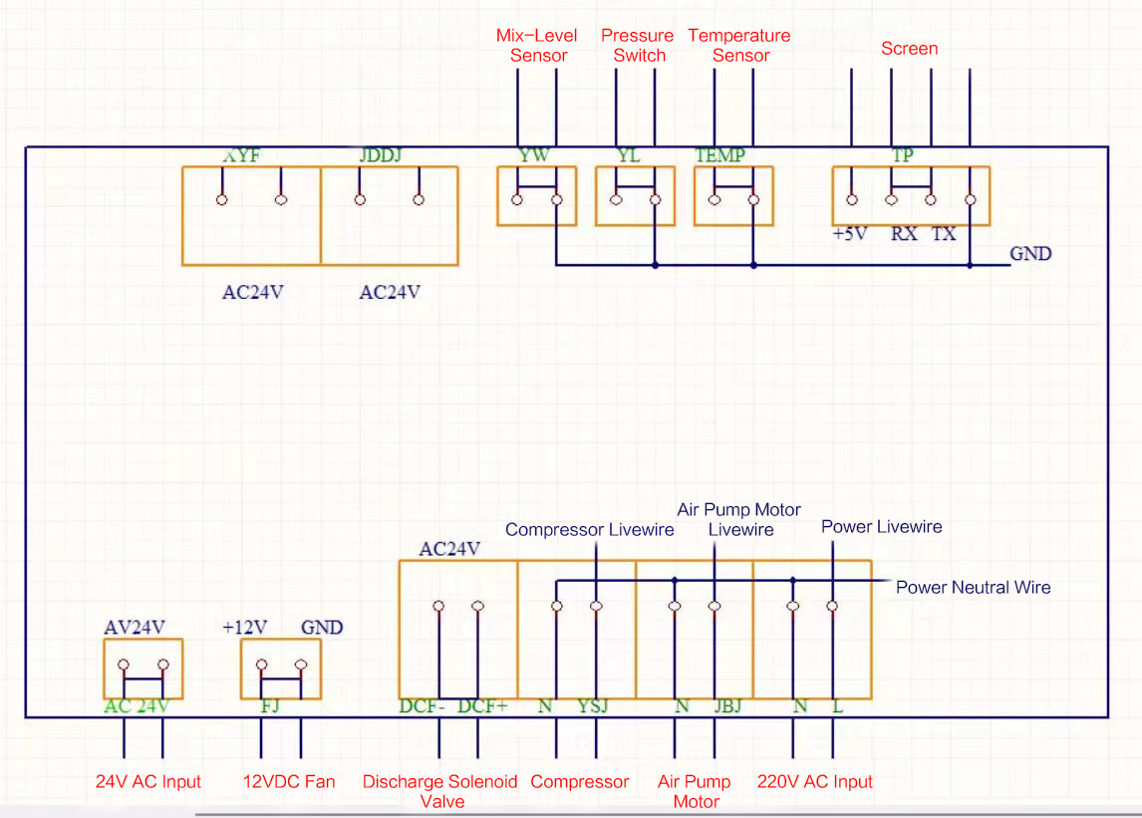 Place the circuit diagram here !

ItemUpdateImportTemplate
Green columns = formulated cell, protected. Blue columns = compulsory fields need to be input by manual. Columns without highlights = optional
General Data |  |  |  |  |  |  |  |  |  |  |  |  | Control Data | Other Data
Hendi Item number | Item English Short Description | Item Chinese Short Description | Status Code | Base Unit (pc / set) | Weight unit | Inner Carton Unit | Inner Carton Quantity | Outer Carton unit | Outer carton Quantity | Outer Carton Length | Outer Carton Width | Outer Carton Height | Item Barcode | Default Customer Number (select from drop list) | Defaule Customer Item Number | Default Customer Item Unit Price (Hendi Buying Price) | Default Customer Item Unit Price Currency | Default Customer Price From date | Default Vendor Number | Default Vendor Item Number | Default Vendor Item Unit Price (FTY Cost) | Default Vendor Item Unit Price Currency | Default Vendor MOQ | Default Vendor Leadtime (Number of Day) | Item English Long Description | Inner Carton Barcode (Need to ask NL "DATA" for number) | Outer Carton Barcode (Need to ask NL "DATA" for number) | Item classification

CZE 290965-B | Set of maintenance and cleaning kits for main item 290965 | Set of maintenance and cleaning kits for main item 290965 | 6 |  |  |  |  |  |  |  |  |  | CZE 290965-B |  | 290965-B | 16.12 | USD | 2024-09-20 |  | 290965-B | 0.00 | USD |  |  | Set of maintenance and cleaning kits for main item 290965 |  |  | Spare Part

